1. Provider Information
 | 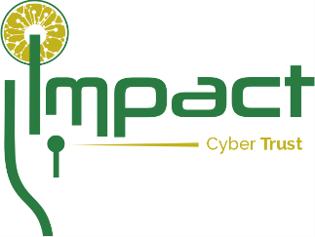 | IMPACT Resource Submission Form V1.10 (LAST EDITED 7/10/19) |  |  | Part 1 of 1
Thank you for your interest in providing a Resource (data, tool) to the IMPACT community. Any questions may be directed to the IMPACT Coordinating Center (ICC) via email: Contact@ImpactCyberTrust.org. This form is intended: (1) to capture information about the resource proposed to be made available through IMPACT and included in the IMPACT catalog; and (2) to determine your (the resource submitter) level of participation in the resource request process. If you do not want to be involved in the resource request process, please execute the attached Resource Release Form. Otherwise, you will execute a separate Memorandum of Agreement (MoA) with the ICC, which will establish you as a Resource Provider in IMPACT. Please complete the information below and email an executed copy electronically to the ICC at Contact@ImpactCyberTrust.org. An executed copy will be returned to you for your files.

 | Your Information:
 |  | First Name |  | Date
 |  | Last Name |  | Title
 |  | Organization |  | Phone (optional)
 |  | Address |  | Email
 |  | City |  | Postal Code
 |  | State |  | Country
 |  | Relationship to Organization (could be none)

 | Primary Organizational Industry / Sector:

 | Organization Info (if different from above):
 | Include website, address, country
 | Resource Request Process Involvement (Check ONE):

 |  |  | I intend to be an IMPACT Resource Provider and participate in the resource request process. I will execute an Memorandum of Agreement (MoA) with the ICC.

 |  |  | I intend to provide a resource to IMPACT but do NOT want to be involved in the request process as a Resource Provider for this submission. I will execute a blanket Resource Release Form for the ICC.

 |  |  | I am a current Resource Provider and have a valid MoA with the ICC. I desire to participate in the resource request process for this submission.

 | IMPACT Account Information (Check ONE):

 |  |  | I do not have an IMPACT account.

 |  |  | I have an existing IMPACT account. (Specify details in the boxes below.)
 |  |  | Organization Account Name | Resource Provider
 |  |  | Organization POC (First & Last Name; email) | Resource Host

